Nam GRN Bills


Observed market rates

Nam GRN Bills

T-bills | Maturity | YTM (%) | DTDΔ | MTDΔ | Prices
 |  | 17-Jul-26 | bps | bps | 17-Jul-26
GT91/24Apr26 | 7/24/2026 | 6.47261 | 4 | 6 | 99.87519
GT182/23Jan26 | 7/24/2026 | 6.47261 | 4 | 6 | 99.87519
GT273/24Oct25 | 7/24/2026 | 6.47261 | 4 | 6 | 99.87519
GT364/25Jul25 | 7/24/2026 | 6.47261 | 4 | 6 | 99.87519
GT92/30Apr26 | 7/31/2026 | 6.52303 | 3 | 7 | 99.74843
GT182/30Jan26 | 7/31/2026 | 6.52303 | 3 | 7 | 99.74843
GT273/31Oct25 | 7/31/2026 | 6.52303 | 3 | 7 | 99.74843
GT364/01Aug25 | 7/31/2026 | 6.52303 | 3 | 7 | 99.74843
GT91/08May26 | 8/7/2026 | 6.58265 | 3 | 7 | 99.61972
GT182/06Feb26 | 8/7/2026 | 6.58265 | 3 | 7 | 99.61972
GT273/07Nov25 | 8/7/2026 | 6.58265 | 3 | 7 | 99.61972
GT364/08Aug25 | 8/7/2026 | 6.58265 | 3 | 7 | 99.61972
GT91/15May26 | 8/14/2026 | 6.64222 | 3 | 7 | 99.48908
GT182/13Feb26 | 8/14/2026 | 6.64222 | 3 | 7 | 99.48908
GT273/14Nov25 | 8/14/2026 | 6.64222 | 3 | 7 | 99.48908
GT364/15Aug25 | 8/14/2026 | 6.64222 | 3 | 7 | 99.48908
GT91/22May26 | 8/21/2026 | 6.70172 | 3 | 7 | 99.35654
GT182/20Feb26 | 8/21/2026 | 6.70172 | 3 | 7 | 99.35654
GT273/21Nov25 | 8/21/2026 | 6.70172 | 3 | 7 | 99.35654
GT364/22Aug25 | 8/21/2026 | 6.70172 | 3 | 7 | 99.35654
GT91/29May26 | 8/28/2026 | 6.76131 | 3 | 7 | 99.22209
GT182/27Feb26 | 8/28/2026 | 6.76131 | 3 | 7 | 99.22209
GT273/28Nov25 | 8/28/2026 | 6.76131 | 3 | 7 | 99.22209
GT364/29Aug25 | 8/28/2026 | 6.76131 | 3 | 7 | 99.22209
GT91/05Jun26 | 9/4/2026 | 6.82085 | 3 | 7 | 99.08577
GT182/06Mar26 | 9/4/2026 | 6.82085 | 3 | 7 | 99.08577
GT273/05Dec25 | 9/4/2026 | 6.82085 | 3 | 7 | 99.08577
GT364/05Sep25 | 9/4/2026 | 6.82085 | 3 | 7 | 99.08577
GT91/12Jun26 | 9/11/2026 | 6.88041 | 3 | 7 | 98.94758
GT182/13Mar26 | 9/11/2026 | 6.88041 | 3 | 7 | 98.94758
GT273/12Dec25 | 9/11/2026 | 6.88041 | 3 | 7 | 98.94758
GT364/12Sep25 | 9/11/2026 | 6.88041 | 3 | 7 | 98.94758
GT91/19Jun26 | 9/18/2026 | 6.93996 | 3 | 7 | 98.80755
GT182/20Mar26 | 9/18/2026 | 6.93996 | 3 | 7 | 98.80755
GT273/19Dec25 | 9/18/2026 | 6.93996 | 3 | 7 | 98.80755
GT364/19Sep25 | 9/18/2026 | 6.93996 | 3 | 7 | 98.80755
GT91/26Jun26 | 9/25/2026 | 6.99950 | 3 | 7 | 98.66569
GT182/27Mar26 | 9/25/2026 | 6.99950 | 3 | 7 | 98.66569
GT275/24Dec25 | 9/25/2026 | 6.99950 | 3 | 7 | 98.66569
GT364/26Sep25 | 9/25/2026 | 6.99950 | 3 | 7 | 98.66569
GT91/03Jul26 | 10/2/2026 | 7.05908 | 3 | 7 | 98.52202
GT183/02Apr26 | 10/2/2026 | 7.05908 | 3 | 7 | 98.52202
GT273/02Jan26 | 10/2/2026 | 7.05908 | 3 | 7 | 98.52202
GT364/03Oct25 | 10/2/2026 | 7.05908 | 3 | 7 | 98.52202
GT91/10Jul26 | 10/9/2026 | 7.11864 | 3 | N/A | 98.37667
GT182/10Apr26 | 10/9/2026 | 7.11864 | 3 | 6 | 98.37667
GT273/09Jan26 | 10/9/2026 | 7.11864 | 3 | 6 | 98.37667
GT364/10Oct25 | 10/9/2026 | 7.11864 | 3 | 6 | 98.37667
GT91/17Jul26 | 10/16/2026 | 7.17769 | 3 | N/A | 98.22946
GT182/17Apr26 | 10/16/2026 | 7.17769 | 3 | 1 | 98.22729
GT273/16Jan26 | 10/16/2026 | 7.17769 | 3 | 1 | 98.22946
GT364/17Oct25 | 10/16/2026 | 7.17769 | 2 | 1 | 98.22946
GT182/24Apr26 | 10/23/2026 | 7.24015 | 5 | 3 | 98.09126
GT273/23Jan26 | 10/23/2026 | 7.23114 | 4 | 2 | 98.09126
GT364/24Oct25 | 10/23/2026 | 7.23114 | 4 | 2 | 98.09126
GT183/30Apr26 | 10/30/2026 | 7.24860 | 4 | 2 | 97.95309
GT273/30Jan26 | 10/30/2026 | 7.24860 | 4 | 2 | 97.95309
GT364/31Oct25 | 10/30/2026 | 7.24860 | 4 | 2 | 97.95309
GT182/08May26 | 11/6/2026 | 7.26504 | 4 | 2 | 97.81439
GT273/06Feb26 | 11/6/2026 | 7.26504 | 4 | 2 | 97.81439
GT364/07Nov25 | 11/6/2026 | 7.26504 | 4 | 2 | 97.81439
GT182/15May26 | 11/13/2026 | 7.28249 | 4 | 2 | 97.67574
GT273/13Feb26 | 11/13/2026 | 7.28249 | 4 | 2 | 97.67574
GT364/14Nov25 | 11/13/2026 | 7.28249 | 4 | 2 | 97.67574
GT182/22May26 | 11/20/2026 | 7.29894 | 4 | 2 | 97.53655
GT273/20Feb26 | 11/20/2026 | 7.29894 | 4 | 2 | 97.53655
GT364/21Nov25 | 11/20/2026 | 7.29894 | 4 | 2 | 97.53655
GT182/29May26 | 11/27/2026 | 7.31640 | 4 | 2 | 97.39745
GT273/27Feb26 | 11/27/2026 | 7.31640 | 4 | 2 | 97.39745
GT364/28Nov25 | 11/27/2026 | 7.31640 | 4 | 2 | 97.39745
GT182/05Jun26 | 12/4/2026 | 7.33284 | 4 | 1 | 97.25796
GT273/06Mar26 | 12/4/2026 | 7.33284 | 4 | 1 | 97.25796
GT364/05Dec25 | 12/4/2026 | 7.33284 | 4 | 1 | 97.25796
GT182/12Jun26 | 12/11/2026 | 7.34979 | 4 | 1 | 97.11825
GT273/13Mar26 | 12/11/2026 | 7.34979 | 4 | 1 | 97.11825
GT364/12Dec25 | 12/11/2026 | 7.34979 | 4 | 1 | 97.11825
GT182/19Jun26 | 12/18/2026 | 7.36675 | 4 | 1 | 96.97831
GT273/20Mar26 | 12/18/2026 | 7.36675 | 4 | 1 | 96.97831
GT364/19Dec25 | 12/18/2026 | 7.36675 | 4 | 1 | 96.97831
GT181/26Jun26 | 12/24/2026 | 7.38369 | 4 | 1 | 96.85769
GT272/27Mar26 | 12/24/2026 | 7.38369 | 4 | 1 | 96.85769
GT365/24Dec25 | 12/24/2026 | 7.38369 | 4 | 1 | 96.85769
GT181/03Jul26 | 12/31/2026 | 7.39945 | 4 | 1 | 96.71776
GT273/02Apr26 | 12/31/2026 | 7.39945 | 4 | 1 | 96.71776
GT363/02Jan26 | 12/31/2026 | 7.39945 | 4 | 1 | 96.71776
GT182/10Jul26 | 1/8/2027 | 7.41540 | 4 | N/A | 96.55766
GT273/10Apr26 | 1/8/2027 | 7.41540 | 4 | 1 | 96.55766
GT364/09Jan26 | 1/8/2027 | 7.41540 | 4 | 1 | 96.55766
GT182/17Jul26 | 1/15/2027 | 7.43355 | 1 | N/A | 96.41782
GT273/17Apr26 | 1/15/2027 | 7.43355 | 4 | 2 | 96.41620
GT364/16Jan26 | 1/15/2027 | 7.43355 | 4 | 2 | 96.41782
GT273/24Apr26 | 1/22/2027 | 7.45137 | 5 | 4 | 96.28118
GT364/23Jan26 | 1/22/2027 | 7.44787 | 5 | 3 | 96.28118
GT274/30Apr26 | 1/29/2027 | 7.45559 | 5 | 3 | 96.14488
GT364/30Jan26 | 1/29/2027 | 7.45559 | 5 | 3 | 96.14488
GT273/08May26 | 2/5/2027 | 7.46280 | 5 | 3 | 96.00844
GT364/06Feb26 | 2/5/2027 | 7.46280 | 5 | 3 | 96.00844
GT273/15May26 | 2/12/2027 | 7.47049 | 5 | 4 | 95.87237
GT364/13Feb26 | 2/12/2027 | 7.47049 | 5 | 4 | 95.87237
GT273/22May26 | 2/19/2027 | 7.47770 | 5 | 4 | 95.73612
GT364/20Feb26 | 2/19/2027 | 7.47770 | 5 | 4 | 95.73612
GT273/29May26 | 2/26/2027 | 7.48545 | 5 | 4 | 95.60024
GT364/27Feb26 | 2/26/2027 | 7.48545 | 5 | 4 | 95.60024
GT273/05Jun26 | 3/5/2027 | 7.49264 | 5 | 4 | 95.46419
GT364/06Mar26 | 3/5/2027 | 7.49264 | 5 | 4 | 95.46419
GT273/12Jun26 | 3/12/2027 | 7.50035 | 5 | 4 | 95.32854
GT364/13Mar26 | 3/12/2027 | 7.50035 | 5 | 4 | 95.32854
GT273/19Jun26 | 3/19/2027 | 7.50755 | 5 | 4 | 95.19300
GT364/20Mar26 | 3/19/2027 | 7.50755 | 5 | 4 | 95.19300
GT273/26Jun26 | 3/25/2027 | 7.51475 | 5 | 4 | 95.07634
GT363/27Mar26 | 3/25/2027 | 7.51475 | 5 | 4 | 95.07634
GT273/03Jul26 | 4/2/2027 | 7.52189 | 5 | 4 | 94.92225
GT365/02Apr26 | 4/2/2027 | 7.52189 | 2 | 4 | 94.91970
GT273/10Jul26 | 4/9/2027 | 7.52919 | 5 | N/A | 94.78640
GT364/10Apr26 | 4/9/2027 | 7.53319 | 5 | 5 | 94.78640
GT273/17Jul26 | 4/16/2027 | 7.53739 | 0 | N/A | 94.65231
GT364/17Apr26 | 4/16/2027 | 7.53739 | 5 | 5 | 94.65231
GT364/24Apr26 | 4/23/2027 | 7.54275 | 5 | 6 | 94.52222
GT365/30Apr26 | 4/30/2027 | 7.54449 | 5 | 6 | 94.39209
GT364/08May26 | 5/7/2027 | 7.54669 | 5 | 6 | 94.26261
GT364/15May26 | 5/14/2027 | 7.54844 | 5 | 6 | 94.13347
GT364/22May26 | 5/21/2027 | 7.55014 | 5 | 6 | 94.00429
GT363/29May26 | 5/27/2027 | 7.55235 | 5 | 6 | 93.89416
GT364/05Jun26 | 6/4/2027 | 7.55385 | 5 | 6 | 93.74729
GT364/12Jun26 | 6/11/2027 | 7.55629 | 5 | 6 | 93.61943
GT364/19Jun26 | 6/18/2027 | 7.55804 | 5 | 6 | 93.49151
GT364/26Jun26 | 6/25/2027 | 7.56024 | 5 | 6 | 93.36199
GT364/03Jul26 | 7/2/2027 | 7.56600 | 10 | 8 | 93.23703
GT364/10Jul26 | 7/9/2027 | 7.56420 | 5 | N/A | 93.10979
GT364/17Jul26 | 7/16/2027 | 7.56592 | 0 | N/A | 92.98578

Nam GRN Bonds
Observed market rates

Nam GRN Bonds |  |  |  |  |  |  |  |  | SA Benchmark bonds |  |  |  |  |  | Nam vs SA Spreads |  | 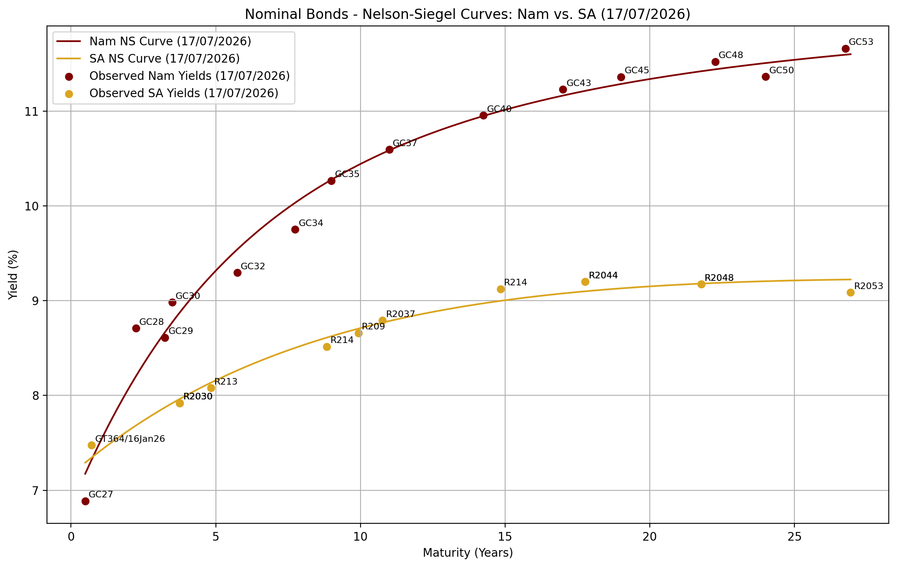 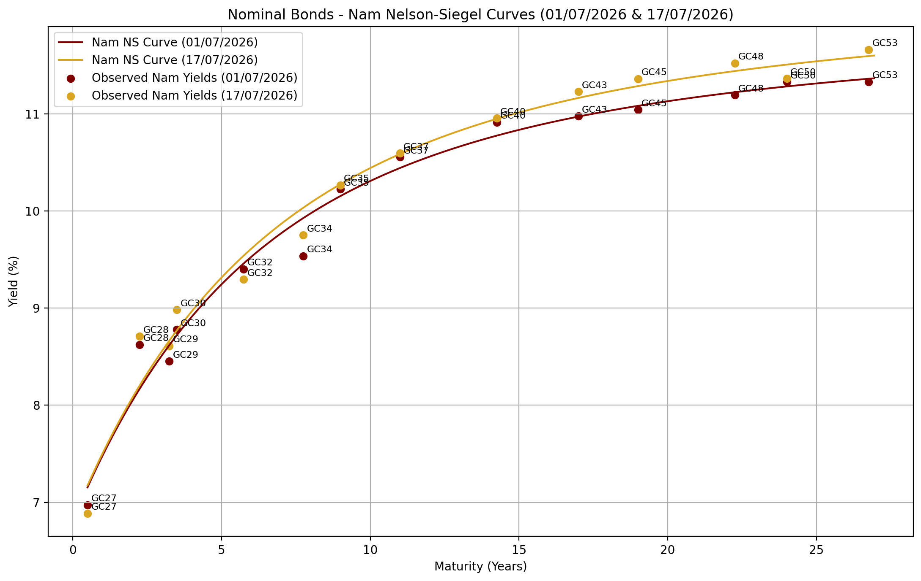 | 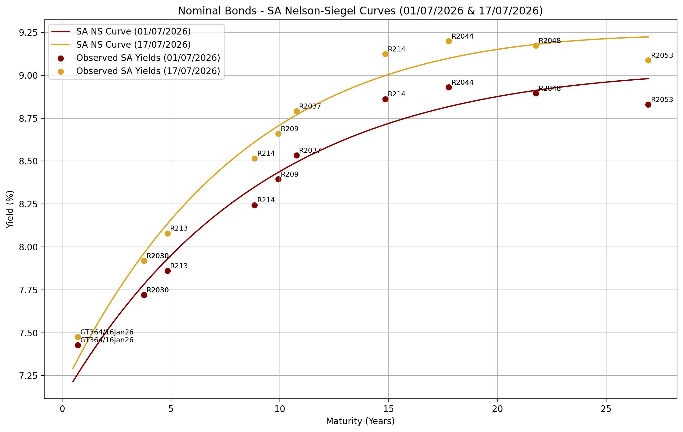

Bonds | Coupon | Maturity | YTM (%) | YTM (%) | YTM (%) | DTDΔ | MTDΔ | Prices | Bonds | YTM (%) | YTM (%) | YTM (%) | DTDΔ | MTDΔ | Spreads
 |  |  | 1-Jul-26 | 16-Jul-26 | 17-Jul-26 | (bps) | (bps) | 17-Jul-26 |  | 1-Jul-26 | 16-Jul-26 | 17-Jul-26 | (bps) | (bps) | 16-Jul-26 | 17-Jul-26
Fixed rates

GC27 | 8.00 | 15-Jan-2027 | 6.97429 | 6.88744 | 6.88744 | 0 | 9 | 100.53062 | GT364/16Jan26 | 7.42881 | 7.46280 | 7.47532 | 1 | 5 | 58 | 59
GC28 | 8.50 | 15-Oct-2028 | 8.29715 | 8.62994 | 8.70861 | 8 | 41 | 99.56010 | R2030 | 7.72050 | 7.84129 | 7.91996 | 8 | 20 | 79 | 79
GC29 | 9.00 | 15-Oct-2029 | 8.44473 | 8.53199 | 8.61066 | 8 | 17 | 101.05855 | R2030 | 7.72050 | 7.84129 | 7.91996 | 8 | 20 | 69 | 69
GC30 | 8.00 | 15-Jan-2030 | 8.45197 | 8.90296 | 8.98163 | 8 | 53 | 97.10973 | R2030 | 7.72050 | 7.84129 | 7.91996 | 8 | 20 | 106 | 106
GC32 | 9.00 | 15-Apr-2032 | 9.05984 | 9.20762 | 9.29413 | 9 | 23 | 98.68761 | R213 | 7.86100 | 7.99273 | 8.07924 | 9 | 22 | 121 | 121
GC34 | 10.25 | 15-Apr-2034 | 9.48473 | 9.65549 | 9.75048 | 9 | 27 | 102.64182 | R2035 | 8.24399 | 8.42096 | 8.51595 | 9 | 27 | 123 | 123
GC35 | 9.50 | 15-Jul-2035 | 9.83622 | 10.16728 | 10.26574 | 10 | 43 | 95.57089 | R209 | 8.39499 | 8.56068 | 8.65914 | 10 | 26 | 161 | 161
GC37 | 9.50 | 15-Jul-2037 | 10.59779 | 10.49775 | 10.59261 | 9 | 1 | 92.99988 | R2037 | 8.53299 | 8.69595 | 8.79081 | 9 | 26 | 180 | 180
GC40 | 9.80 | 15-Oct-2040 | 11.00459 | 10.86303 | 10.95536 | 9 | 5 | 91.72928 | R214 | 8.86149 | 9.03111 | 9.12344 | 9 | 26 | 183 | 183
GC43 | 10.00 | 15-Jul-2043 | 10.99397 | 11.13530 | 11.22749 | 9 | 23 | 90.77368 | R2044 | 8.92999 | 9.10633 | 9.19852 | 9 | 27 | 203 | 203
GC45 | 9.85 | 15-Jul-2045 | 11.12150 | 11.26879 | 11.36098 | 9 | 24 | 88.32924 | R2044 | 8.92999 | 9.10633 | 9.19852 | 9 | 27 | 216 | 216
GC48 | 10.00 | 15-Oct-2048 | 11.19455 | 11.42863 | 11.52153 | 9 | 33 | 87.85188 | R2048 | 8.89548 | 9.07938 | 9.17228 | 9 | 28 | 235 | 235
GC50 | 10.25 | 15-Jul-2050 | 11.35628 | 11.26998 | 11.36288 | 9 | 1 | 90.89517 | R2048 | 8.89548 | 9.07938 | 9.17228 | 9 | 28 | 219 | 219
GC53 | 11.00 | 15-Apr-2053 | 10.99993 | 11.57119 | 11.66067 | 9 | 66 | 94.56869 | R2053 | 8.82948 | 8.99762 | 9.08710 | 9 | 26 | 257 | 257

ILBS

GI27 | 4.00 | 15-Oct-2027 | 4.42554 | 4.29904 | 4.29869 | 0 | 13 | 99.63627
GI29 | 4.50 | 15-Jan-2029 | 4.69895 | 4.66015 | 4.66297 | 0 | 4 | 99.62010 | I2029 | 3.36000 | 3.52000 | 3.52000 | 0 | 16 | 114 | 114
GI31 | 5.20 | 15-Jul-2031 | 5.11881 | 5.05077 | 5.05089 | 0 | 7 | 100.65070 | I2031 | 3.58994 | 3.68994 | 3.68994 | 0 | 10 | 136 | 136
GI33 | 4.50 | 15-Apr-2033 | 5.18044 | 5.17768 | 5.17794 | 0 | 0 | 96.17429 | I2033 | 3.98991 | 4.04491 | 4.04491 | 0 | 5 | 113 | 113
GI36 | 4.80 | 15-Jul-2036 | 5.71659 | 5.69841 | 5.69821 | 0 | 2 | 98.50502 | I2038 | 4.11986 | 4.15986 | 4.15986 | 0 | 4 | 154 | 154
GI41 | 5.65 | 15-Jul-2041 | 6.08482 | 6.09361 | 6.09368 | 0 | 1 | 95.67854 | I2043 | 4.09000 | 4.10000 | 4.19500 | 10 | 11 | 199 | 190

JSE Bonds

NAM04 | 10.51 | 01-Aug-2026 | 8.79497 | 8.90487 | 9.00017 | 10 | 21 |  | R187 | 7.27148 | 7.28551 | 7.28557 | 0 | 1 | 162 | 171

 |  |  |  |  |  |  |  |  |  |  |  |  |  |  |  |  | 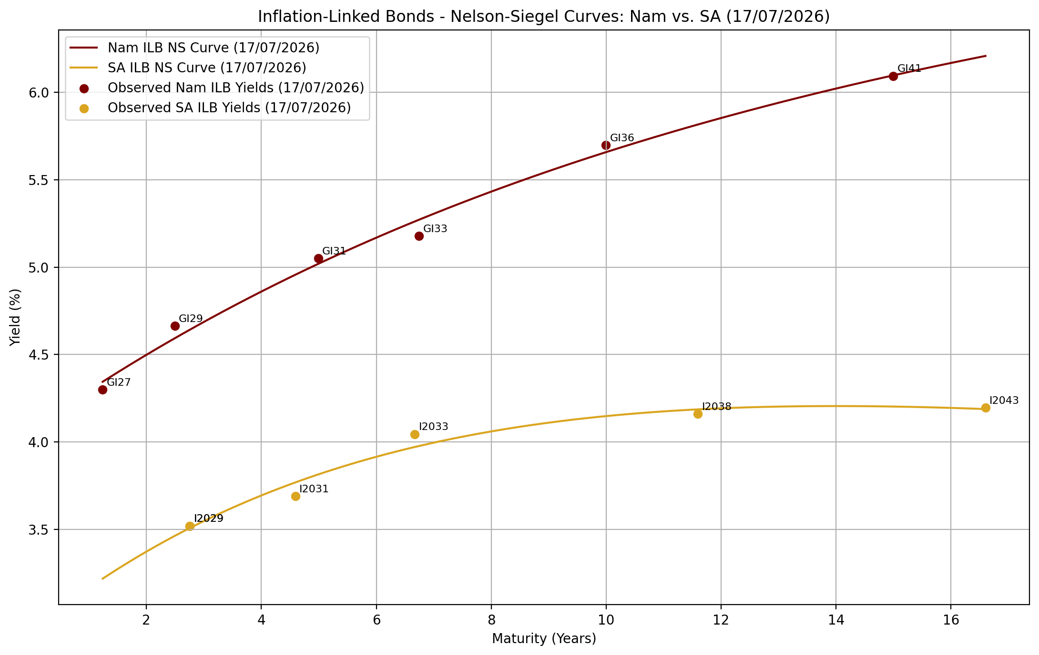 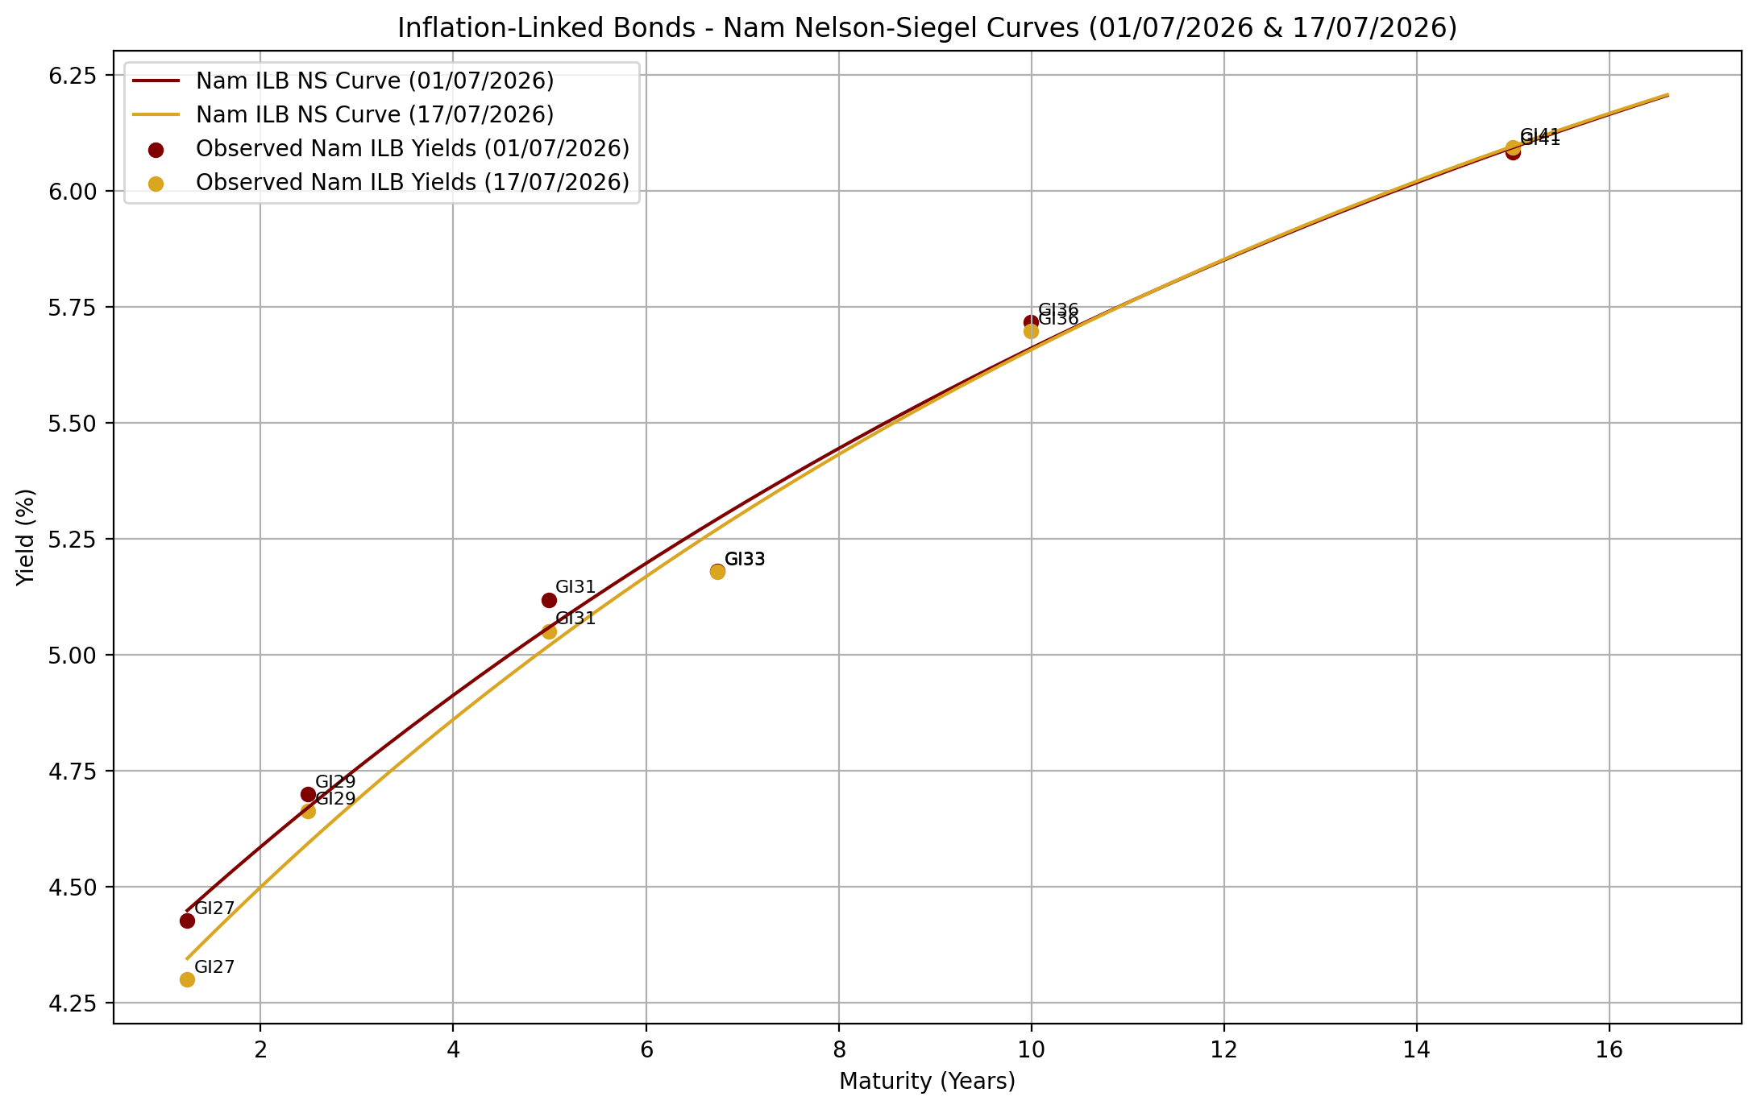 | 