S3
Namibia selected interest rates
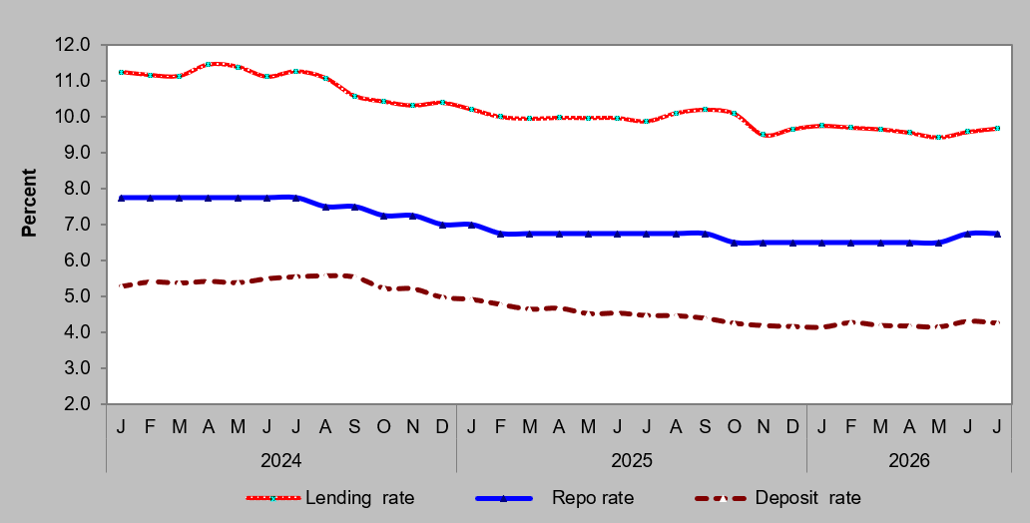

Annual inflation (Namibia vs South Africa)
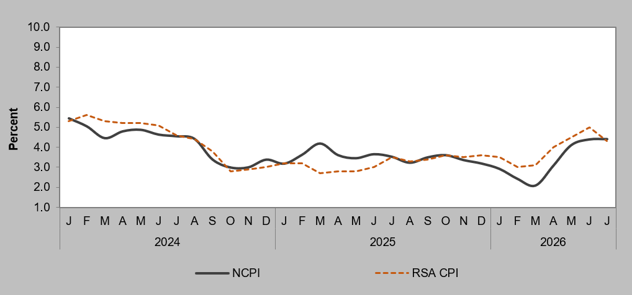

Source: NSA & STATSSA

